Priacc Enterprise
Project Name | PriaccEnterprise
Client | India
Ref. Document | SRS
Created By | Team 4
Reported To | Project Manager
Creation Date | 14/07/2025
Approval Date | DD-MM-YYYY
Test scenario | TC ID | Test steps | Test data | Prerqusites | Expected Result | Actual Result | Remark | Proof
Verification of browser opening function | TC-01 | 1. Open Browser 2. Verify url field with valid URL | URL | Access to website link | User should Navigate to the homepage |  |  | 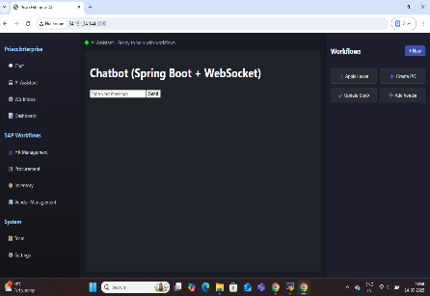
Verification of browser opening function | TC-02 | 1. Open Browser 2. Verify url field with invalid URL | URL | Access to website link | User should get error massage |  |  | 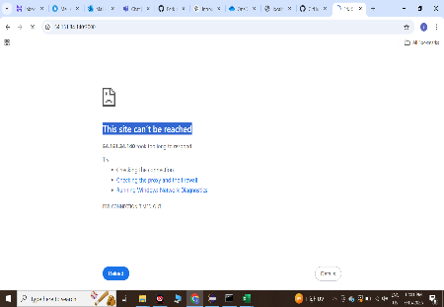
Verification of Logo with colour | TC-03 | 1. Open Browser 2. Verify url field with valid URL | URL | Access to website link | Logo as "PriaccEnterprise" in blue colour is present
Verification of all opations like "AI Assiatant, WorkFlows, Dashboard, SAP workflows, HR Management, Procurement, Inventory, vendoe Management" is present at left side | TC-04 | 1. Open Browser 2. Verify url field with valid URL | 1.URL | Access to website link | 1.All options are present and all are clcikable
Verification of user assistance page | TC-05 | 1. Open Browser 2. Verify url field with valid URL 3.Click on "AI Assistance" | 1.URL | Access to website link | User should get naviget to page"AI Assistant -Ready to help you with workflows" |  |  | 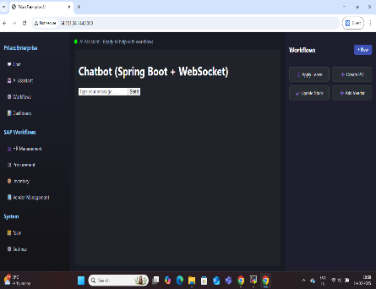
Verification of Home page " AI Assistant" | TC-06 | 1. Open Browser 2. Verify url field with valid URL 3.Click on "AI Assistance" 4.Click on "Type your msg" text box | 1.URL | Access to website link | 1.Cursor blinked on Click "Type your msg" text box
Ensure that AI correctly identifies user intent and triggers appropriote response | TC-07 | 1. Open Browser 2. Verify url field with valid URL 3.Click on "AI Assistance" 4.Click on "Type your msg" text box 5.User can enter any massage in text box | 1.URL 2.Enter massage as"Hello" |  | 1.Entered masseges should be seen in chat box
Ensure that AI correctly identifies user intent and triggers appropriote response | TC-08 | 1. Send input :"Hello" 2.observe intent classification 3. Verify entity extraction 4.Confirm flow trigger 5.Validate bot response | 1.URL 2.Enter massage as"Hello" |  | 1.Resopense: "Hi , how can I help you?" massage from AI

